LB Pharma Facilities
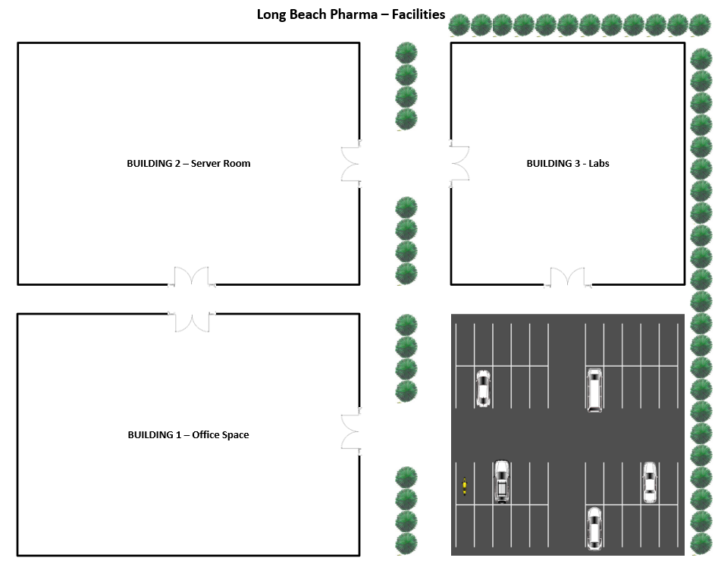
LBP Information - Facilities
Project: | Semester Project
Course: | CECS 378 Section 04 - Spring 2021 Cappel
Last Updated: | 2021-02-21

Bldg. 1
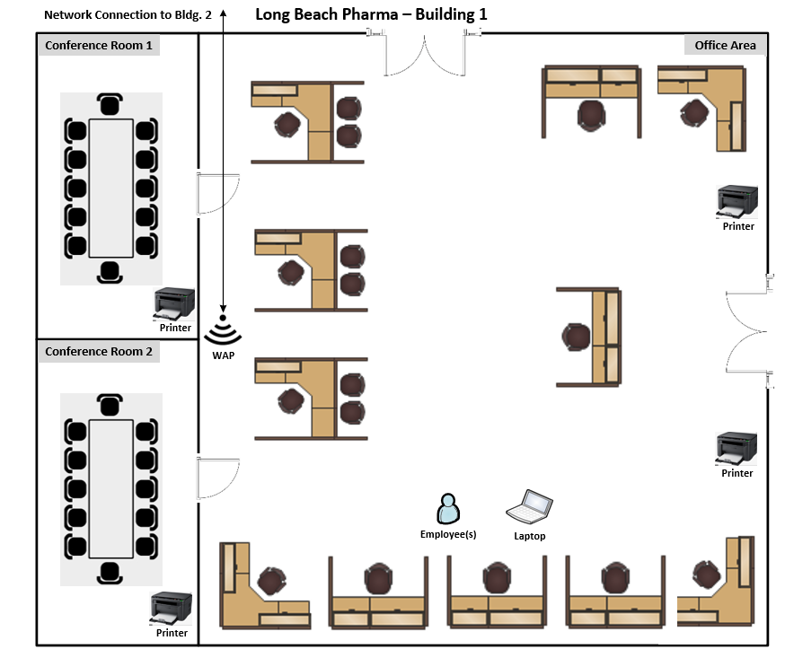
LBP Information - Building 1
Project: | Semester Project
Course: | CECS 378 Section 04 - Spring 2021 Cappel
Last Updated: | 2021-02-21

Bldg. 2
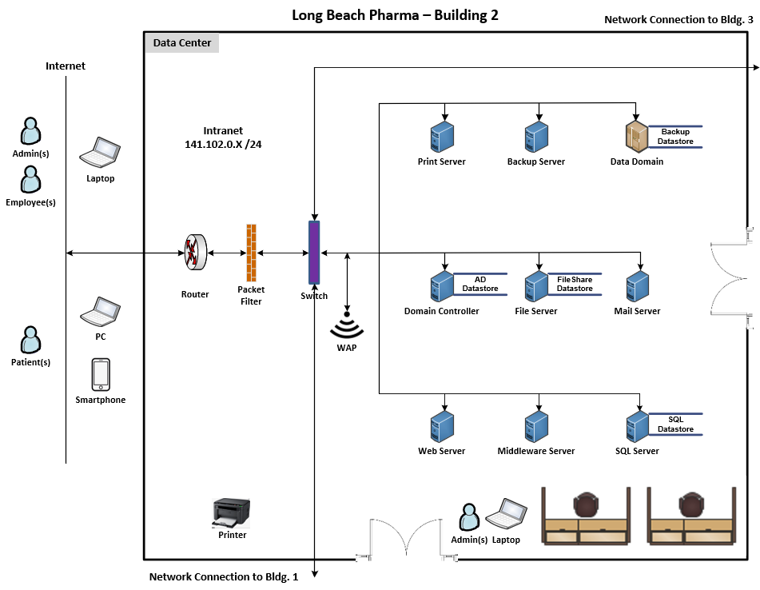
LBP Information - Building 2
Project: | Semester Project
Course: | CECS 378 Section 04 - Spring 2021 Cappel
Last Updated: | 2021-02-21

Bldg. 3
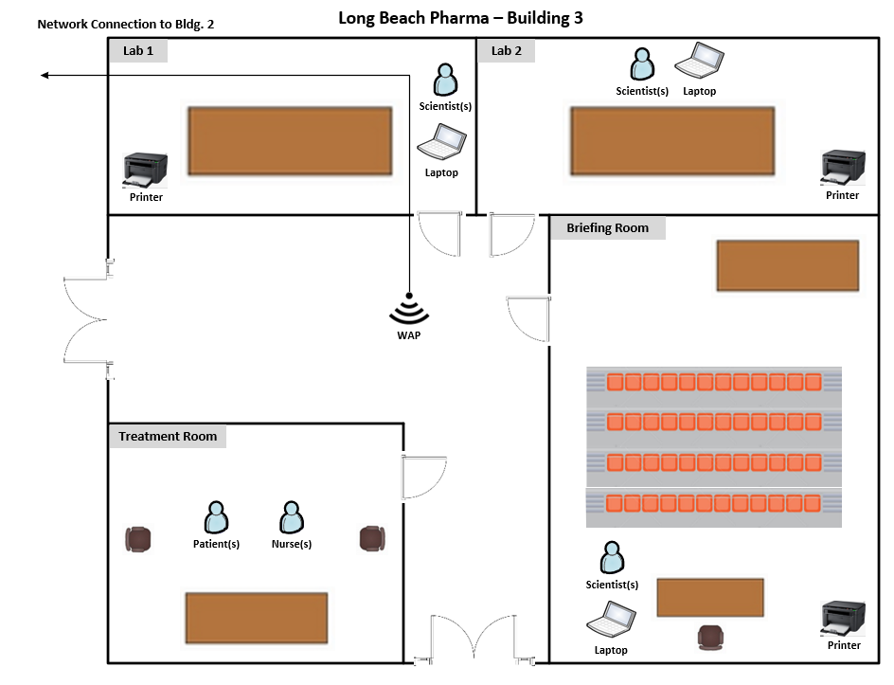
LBP Information - Building 3
Project: | Semester Project
Course: | CECS 378 Section 04 - Spring 2021 Cappel
Last Updated: | 2021-02-21

Rack Diagram
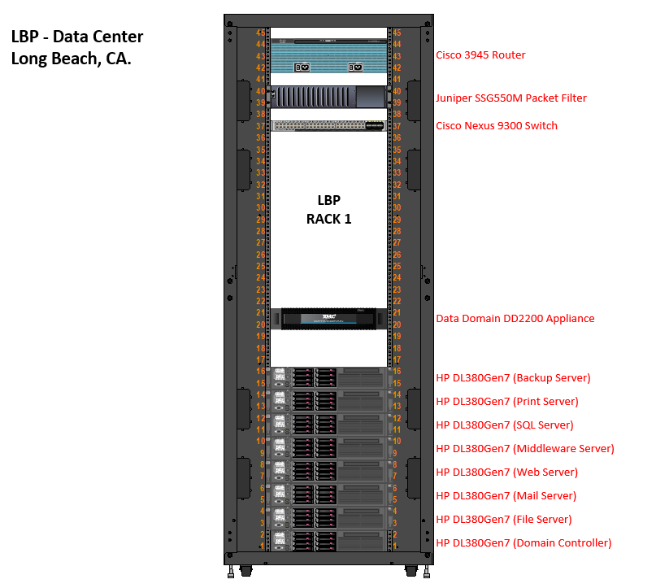
LBP Information - Rack Diagram
Project: | Semester Project
Course: | CECS 378 Section 04 - Spring 2021 Cappel
Last Updated: | 2021-02-21

